Dashboard
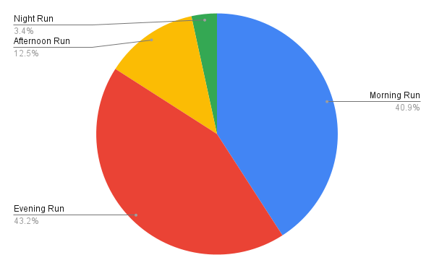


Running Analytics

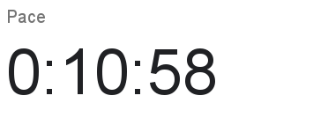
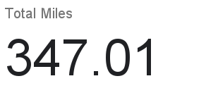

Graphs

Distance over Time
Pace vs Time

Top Runs

Top 10 Morning Runs |  |  |  |  | Top 10 Evening Runs

Date/Time | Time | Duration | City | Pace | Date/Time | Time | Duration | City | Pace
7/30/2018 | 6:25:00 | 0:35:00 | Amsterdam | 0:08:51 | 9/7/2018 | 19:02:00 | 0:35:10 | Yao’an | 0:08:35
7/16/2018 | 6:28:00 | 0:38:52 | Goundam | 0:08:55 | 9/10/2018 | 18:23:00 | 0:40:12 | Haebaru | 0:08:44
7/25/2018 | 6:12:00 | 0:39:00 | Amsterdam | 0:08:58 | 10/5/2018 | 18:22:00 | 0:50:05 | Runaway Bay | 0:08:45
8/13/2018 | 6:35:00 | 0:35:10 | Halden | 0:09:01 | 9/15/2018 | 20:41:00 | 0:50:40 | San Luis Obispo | 0:08:52
8/1/2018 | 6:10:00 | 0:35:16 | Jamshoro | 0:09:02 | 9/19/2018 | 18:14:00 | 0:41:21 | San Luis Obispo | 0:08:53
7/18/2018 | 6:45:00 | 0:39:49 | Mumbai | 0:09:08 | 11/7/2018 | 18:28:00 | 0:55:56 | Tel Aviv | 0:08:57
7/23/2018 | 7:00:00 | 0:39:57 | Chicago | 0:09:09 | 9/22/2018 | 18:52:00 | 0:51:02 | San Luis Obispo | 0:08:59
8/18/2018 | 7:06:00 | 0:50:38 | Mumbai | 0:09:10 | 8/24/2018 | 20:26:00 | 0:35:07 | Quezalguaque | 0:09:07
9/4/2018 | 6:07:00 | 0:35:10 | Mumbai | 0:09:11 | 10/13/2018 | 18:11:00 | 0:45:02 | Melbourne | 0:09:10
8/15/2018 | 6:24:00 | 0:35:09 | Jingxiyuan | 0:09:14 | 10/10/2018 | 20:20:00 | 0:40:09 | Runaway Bay | 0:09:11

Charts

